1. Title Page
Transactional Data

Project Name: Customer Profiling from transactional data
Date: 4 August, 2023
Analyst Name: Jose Hanchi

Contents:
Population Flow
Consistency checks
Wrangling steps
Column derivations
Visualizations
Recommendations

2. Population Flow
Title page

Population flow

orders_products_customers
Orders_products_combined
Orders_products_merged
Orders_products_all

Total: 32,404,859 × 29
Total: 32,404,859 × 36 - after adding 7 columns to create profiles region low_activity top_dept age age_group income_level cx_profile
Total: 32,434,489 x 10
Total: 32,404,859 x 14 32,404,859 x 22 -- after adding 8 label columns: price_label busiest_period_of_day busiest_day Busiest_Days max_order loyalty_flag spending_flag order_frequency_flag

1.) The grey boxes in the first row of the population flow represent the original data sets as they were when you downloaded them. In the Total fields you need to add the count of the rows when you imported the data set into Jupyter.
2.) The second row of boxes (coloured) represents the data sets after you manipulated them, e.g., removed missing values and duplicates. In the Total fields you need to add the count of the rows after conducting these operations. This offers a visual oveview of how the data flows throughout the data consistency checks.
3.) The third row, where also the arrows are coloured, represents the merges you performed between the datasets. In the Total fields you need to add the count of the rows in the merged datasets, so that you end up with the final dataset (in the red box). Keep in mind the final dataset should be without exclusions (based on the exclusion flag).

3. Consistency checks
 |  |  |  | Title page
Consistency checks

Dataset | Missing values | Missing values treatment | Duplicates
orders | column: days_since_prior_order | There were 206,209 missing or NULL values are for first orders. To account for this an additional column was created to indicate if a given record is the "First order" (True/False) from a given customer | N/A
products | column: department_name | 16 records of 49,693 (0.03%) had no department_name these entries were removed because it was not possible to use a rule to input values | N/A
products | N/A | N/A | 5 duplicate entries (records) found these records were removed from the dataset
orders_products_prior | N/A | N/A | N/A
customers | column: first_name | 11,259 missing first names from 206,209 records (5.5%) no action was taken because first_name was eliminated for being personal identifiable information (PII) | N/A

4. Wrangling steps
 |  |  |  |  | Title page
Wrangling steps

Dataset | Columns dropped | Columns renamed | Columns' type changed | Comment/Reason
orders | eval_set |  |  | not needed for analysis
orders |  | order_dow --> order_day_of_week |  | readability / understanding
orders |  |  | order_id: from integer to string | no analysis needed based on numeric value
orders_products_prior | N/A | N/A | N/A | N/A
products | N/A | N/A | N/A | N/A
customers | first_name | First Name --> first_name |  | dropped because it is PII
customers | last_name | Surnam --> last_name |  | dropped because it is PII
customers |  | Gender --> gender |  | renaming for consistency using lower case and clearly understandable names
customers |  | STATE --> state
customers | age |  |  | dropped because age changes at run time and cannot be fixed at the same value forever // instead created the column "birth_year"

5. Column derivations
 |  |  |  |  | Title page

Column derivations and aggregations

In this tab you should add tables below that the frequences of flags/label variables that you produced after deriving them. NB: don't do this for continuous variables, only for flags.
 | Dataset | New column | Column/s it was derived from | Conditions
 | orders | first_order_from_customer | x: days_since_prior_order | x == NULL --> True otherwise --> False
 | orders_products_prior | N/A
 | products | N/A
 | customers | birth_year | age, date_joined | year (from date_joined) MINUS age in this manner based on birth year we can derive the actual age at run time
 | orders_products_merged | price_label | x: prices | x <= 5 --> low-range product 5 < x <= 15 --> mid-range product x > 15 --> high-range product
b |  | busiest_period_of_day | x: order_hour_of_day | 8 <= x <= 19 --> Most orders 2 <= x <= 5 --> Fewest orders otherwise --> Average orders
 |  | busiest_day | x: order_day_of_week | x : 0 --> Busiest day x: 4 --> Least busy x: 1,2,3,5,6 --> Regular busy
 |  | Busiest_Days | x: order_day_of_week | x: 0, 1 --> busiest days x: 2,5,6 --> regular busy x:3,4 --> slowest days
 |  | max_order | x:order_number y:user_id | max(x) for a given (y)
 |  | loyalty_flag | x:max_order | x > 40 --> Loyal_customer 10 < x <= 40 --> Regular_customer x <= 10 --> New customer
 |  | spending_flag | x:price y:userd_id | mean(x) for a given (y) > 10 --> High spender otherwise --> Low spender
 |  | order_frequency_flag | x:days_since_prior_order y:userd_id | median(x) for a given(y) x > 20 --> Non frequent customer 10 < x <= 20 --> Regular customer x <= 10 --> Frequent customer
 | orders_products_customers | region | x:state | regions: West, Midwest, Northeast, South
 |  | low_activity | x:order_number y:user_id | max(x) for a given (y) < 5 --> True otherwise --> False
 |  | top_dept | x:prices y:department_id | sum(prices) in top_depts ~ 80% all sales department_ids in [4,16,7,1,13,19,12,3]
 |  | age | x: birth_year y: current_year (at runtime) | age = current_year - birth_year
 |  | age_group | x:age | x < 35 --> young_adult 35 <= x < 45 --> adult 45 <= x < 65 --> mature x >= 65 --> senior
 |  | income_level | x:income | x < 50K --> low 50K <= x < 100K --> medium 100K <= x < 250K --> high x >= 250K --> affluent
 |  | cx_profile | x: age_group y: marital_status z: dependants | young_parent: ( young_adult or adult ) and married and 2 or more dependants older_parent: ( mature or senior ) and married and 2 or more dependants young_married_nokids: ( yound_adult or adult ) and married and 0 or 1 dependants older_married_nokids: ( mature or senior ) and married and 0 or 1 dependants young_single: ( young_adult or adult) and not married older_single: ( mature or senior ) and not married

6. Visualizations
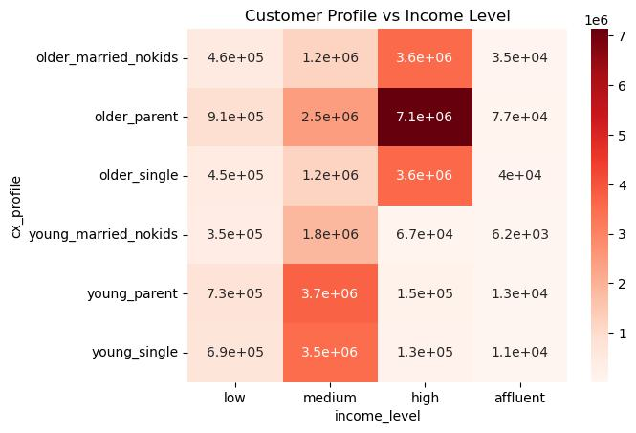
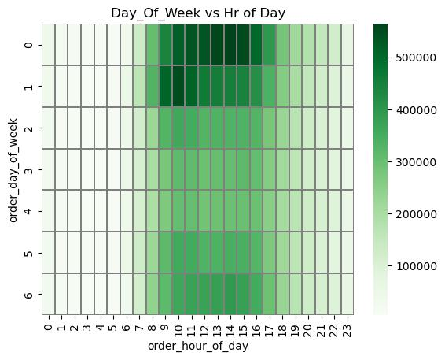
 |  |  | Title page

Visualisations

In this tab you should include all the visualtions from Exercises 4.9 and 4.10, alongside the questions from the project brief that they answer. Include any commentary on the relationship between different variables.

Hour of Day vs number of orders histogram - shows the hours of higher demand are between 10am and 4pm |  | Cutomer Loyalty label - indicates the mayority of users are regular and loyal customers, this is an indication user adoption has reached a close to steady-state
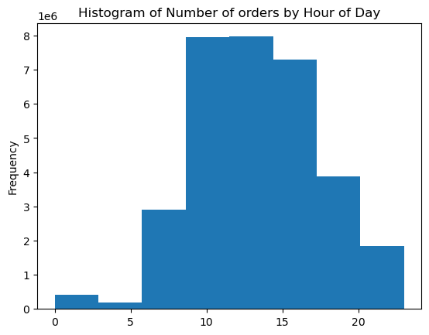
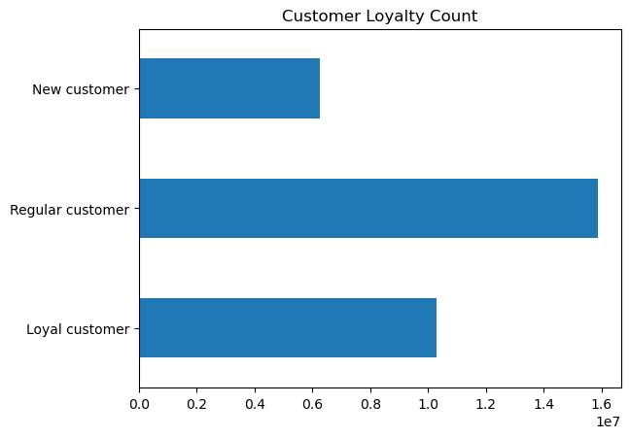

Hour of Day vs Average Price shows no clear pattern of users willing to buy more expensive items at any particular time of day | Age vs #Dependants - showing an overall trend shows there is no clear cut way to indicate that number of dependants has a clear pattern based on age, e.g. increasing up to 40yr-old and the decreasing towards the 60s and 70s

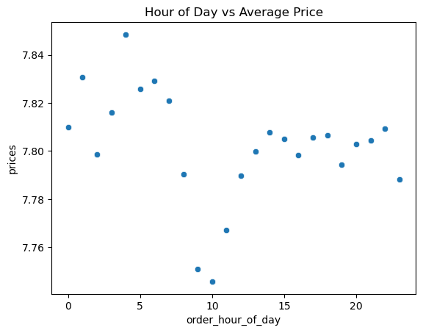
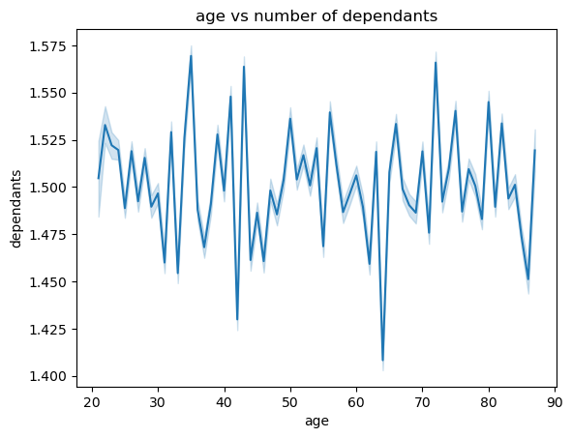

US Region vs Spend level (Low/High) There is no pattern that can show a region is more of a Low/High spender. All regions are haevily leaned towards "Low" spending and low_spenders outnumber High-spenders by roughly 100x
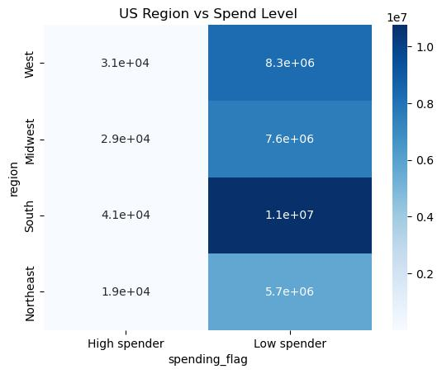

Age vs Income - plotting all possible points shows that a smaller percentage of the popultaion experiences a salary increase as they get older, and only a smaller portion experiences a very high (affluent) income |  | Age vs Average Income - evidences what was seen before: Before the mid 40s, average income is on average around 70K and after the mid 40s the average income increases to around 115K
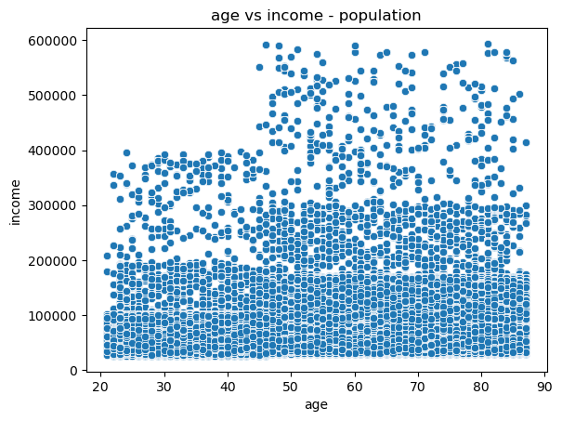
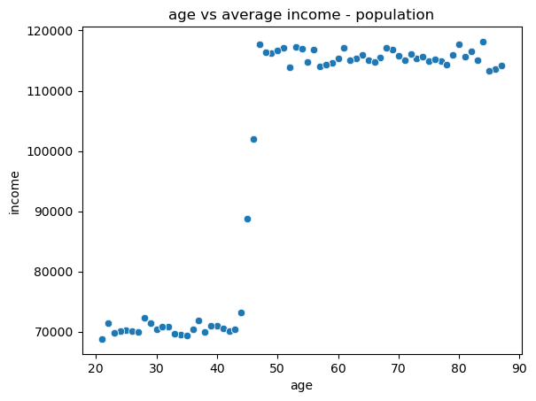

Marital Status vs Age heatmap - the majority of users fall in the married category. Additonally the group "living with parents and siblings" is exclusively made of 'young_adults" while the "divorved/widowed" category is made of "older people" only |  | this bar chart represents the same information as the one on to the left However, I find the heatmap to be clearer
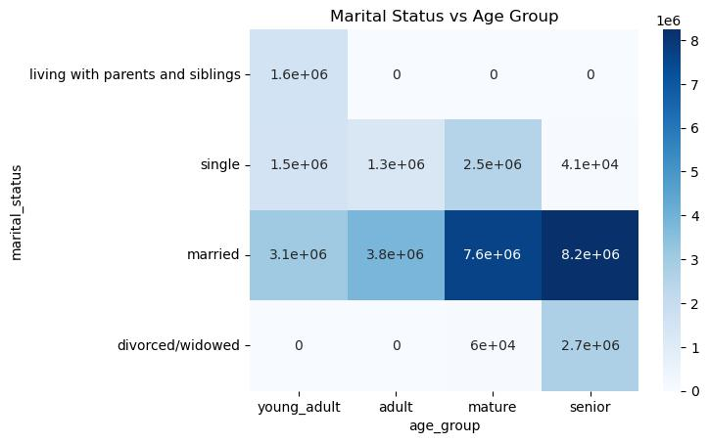
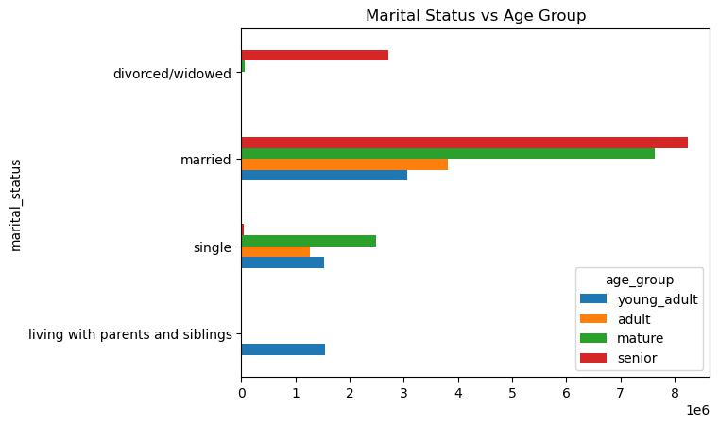

Income Level vs Age Group - the "low income" population is evenly distributed across all age groups. Something similar happens to the "affluent" income group. Medium income is concentrated in the younger population, while high income is concentrated in the older population |  | Top Departments account for 80% of all sales. Income Level vs Top Dept - shows (almost as expected) the tendency to purchase items from the top departments across all age groups. The tendency to purchase more from items that represent 80% of all sales is clear. However, it is more pronounced in the medium & high income groups
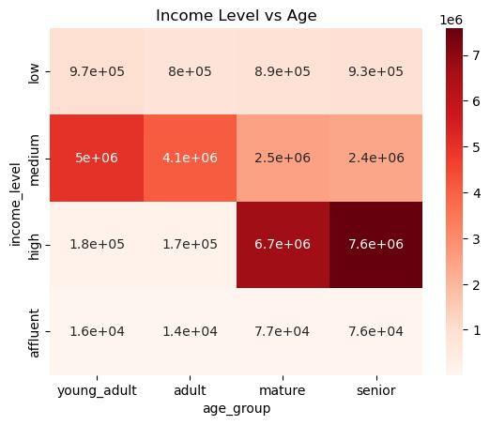
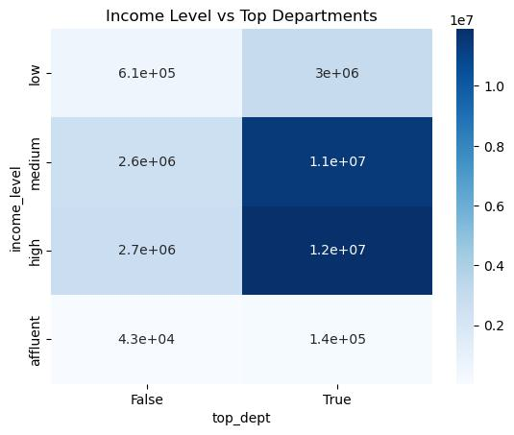

Customer Profile vs. US Region - the largest population is in the South. The majority of Instacart users fall in the "older_parent" category, these are people 45 and older with 2 or 3 dependants |  | Top Departments account for 80% of all sales. Customer Profiles vs Top Departments - People in all profiles tend to buy more from top department items, almost 10x more. This is regardless of age, dependants, and marital status.
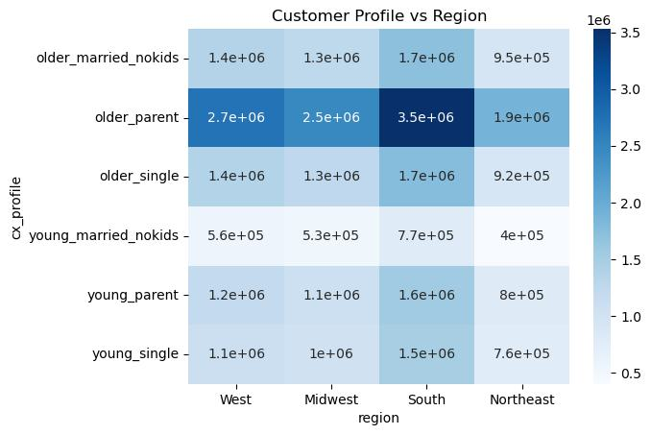
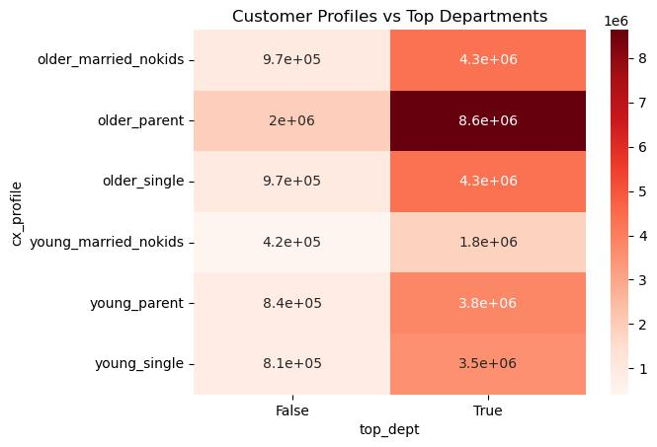

Customer Profile vs Income Level - Given profiles are divided between young & older groups through the reference age of 45 yr old - we can see how --for the majority of customers -- income level moves from medium to high as people move from young to older ages. The other two groups (low & affluent) are evenly distributed accross all profiles. |  | Day of Week vs Hour of Day - confirms the highest activity occurs starts at 9am or 10am and continues on to 4pm. However, most of this happens on Saturday (day 0), followed by Sunday (day 1)

7. Recommendations
 |  |  |  |  | Title page

Recommendations

In this tab you should include any recommendations you would made to Instcart in terms of their marketing strategy based on the questions posed in the brief. Every key question has been covered in the Tasks of the Exercises - here you need to add an item - a visualisation or table/crosstable that is showing the answer in the data, acompanied by a comment from you. Please, list the questions below and add the answer underneath.

Key Question 1 - The sales team needs to know what the busiest days of the week and hours of the day are (i.e., the days and times with the most orders) in order to schedule ads at times when there are fewer orders.
Answer
1. the busiest days are Saturday and Sunday, followed by Thursday and Friday. In both cases the busiest hours are between 9am and 4pm 2. The peak busy times are 2.a> Saturday 9am to 4pm 2.b> Sunday 9am to 11am
see heatmap figure to the right >>>

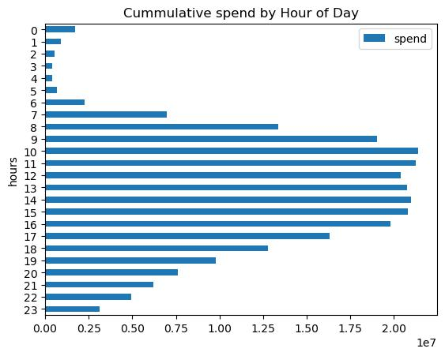

Key Question 2 - They also want to know whether there are particular times of the day when people spend the most money, as this might inform the type of products they advertise at these times.
Answer
The two bar graphs on the right show (1) the sum of all prices = "cummulative spend" by hour-of-day and (2) activity count by hour of day. In both cases we see that highest spend is from 9am to 4pm (16h00) lowest spend is from midnight to 6am the remaining, medium spend, is from 7am to 8am and from 5pm to 11pm

Key Question 3 - Instacart has a lot of products with different price tags. Marketing and sales want to use simpler price range groupings to help direct their efforts.
 | price_label | frequency |  | description
Answer | Low-range product | 10,126,321 |  | price <= 5
Use a simpler classification available in the column 'price_label' based on 3 ranges of price: Low-, Mid-, and High-range For details see the table to the right which displays the frequency count and price range for each category | Mid-range product | 21,860,860 |  | 5 < price <= 15
 | High-range product | 417,678 |  | price >= 15

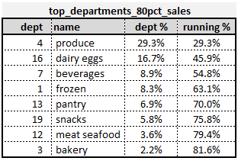
Key Question 4 - Are there certain types of products that are more popular than others? The marketing and sales teams want to know which departments have the highest frequency of product orders.

Answer
The products from the 8 departments represent 80% of all sales. The list of departments is presented in the table to the right: produce (29.3%), dairy eggs (16.7%), beverages (8.9%), frozen (8.3%), pantry (6.9%), snacks (5.8%), meat/seafood (3.6%), and bakery (2.2%)

Key Question 5 - The marketing and sales teams are particularly interested in the different types of customers in their system and how their ordering behaviors differ. (results derived in Exercise 4.10 extra steps)

Answer
The column 'loyalty_label' helps with classifying customers in three categories based on the number of orders we have in record: New-, Regular-, and Loyal-customer | loyalty label | frequency | description
 | New customer | 6,243,990 | # orders <= 10
 | Regular customer | 15,876,776 | 10 < #orders <= 40
 | Loyal customer | 10,284,093 | #orders > 40

see table to the right >>>
Besides the #orders, the higher the loyalty of a customer, the higher its frequency of purchasing. This is represented by the "mean time between orders" | loyalty_label | mean time (days) between orders
 | New customer | 18
 | Regular customer | 12
 | Loyal customer | 6

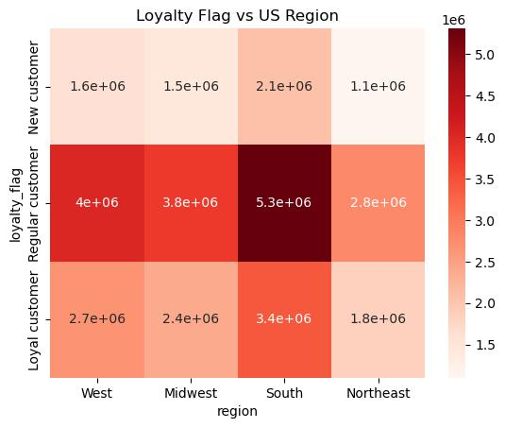
Key Question 6 - Are there differences in ordering habits based on a customer’s region?

Answer
The main difference is that the "South" region has the highest representation in the data set. This could be interpreted as the highest population. Apart from that, people in all regions lean towards being conscious spenders (Low spenders). Similarily, loyal/regular/new customers are spread almost evenly through each of the four regions

see heatmaps to the right >>>

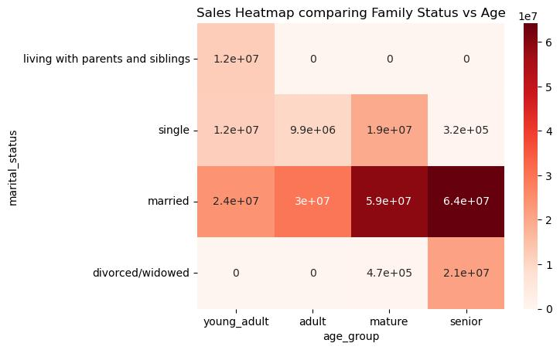
Key Question 7 - Is there a connection between age and family status in terms of ordering habits? (results derived in Exercise 4.10 extra steps)

The "older" (45yr+) and "married" group represents about 50% of all sales. This group is followed by "younger" (21-44 yr) and "married" representing the next 20% of all sales. One clear conclusion is that "married" people regardless of age are the largest spenders in our data set. This is surely a representation that married people have less time to shop in-person and can make use of an extra 2-3 hours per week that it takes to shop in person for groceries. see heatmap to the right >>> see also percentage distribution heatmap >>>

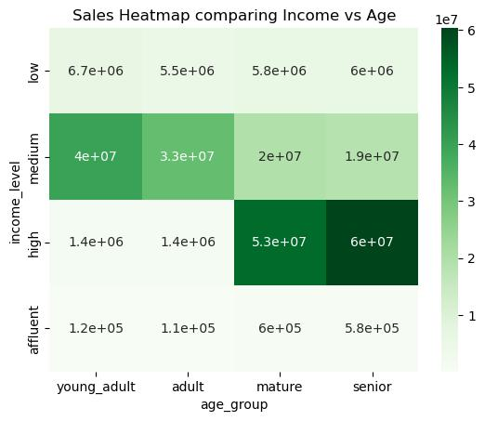
Key Question 8 - What different classifications does the demographic information suggest? Age? Income? Certain types of goods? Family status?

The key finding is that married people represent 70% of all sales transactions. With roughly 50% revenue from 45yr+ and 20% from those under 45yr. Among the "younger" (under 45yr) those with medium income level represent about 28% of all sales, and those "older" (45yr and above) with high income represent 45% of all sales.

see heatmap to the right >>>

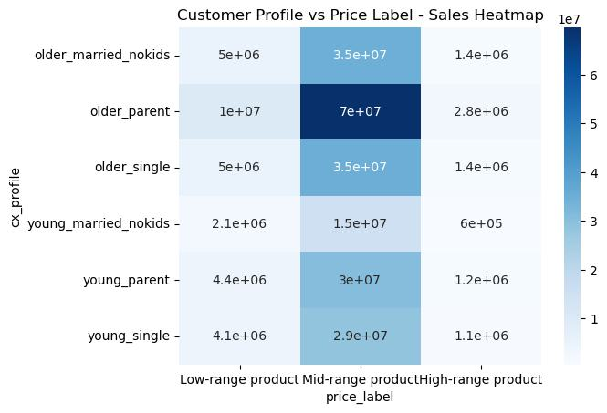
Key Question 9 - What differences can you find in ordering habits of different customer profiles? Consider the price of orders, the frequency of orders, the products customers are ordering, and anything else you can think of.

Overall, independently of the customer profile, most of the sales are related to products of price in the mid-range spectrum (price between 5 and 15). Followed by low-range products (price <5) and to a lesser extent by high-range products (price >15) see heatmap to the right >>>

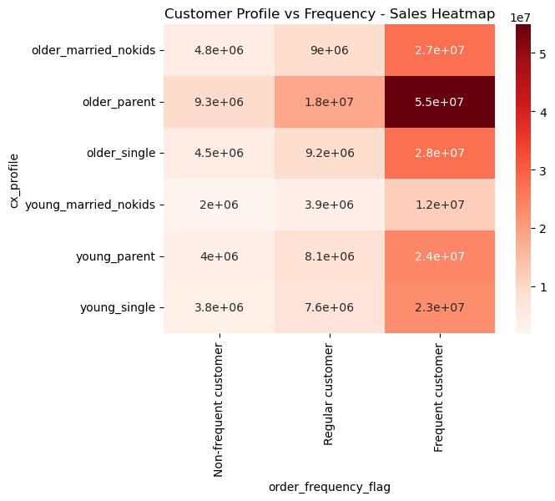
the largest sales is derived from frequent customers, those whose median days between orders is less than 10 days. There should be a plan to convert non-frequent (whom order every 3 weeks) to regular customers (who order every 2 to 3 weeks), and eventually to frequent customers. One possibility is to foster the interest in eating healthier promoting the consumption of produce by suggesting a proper amount according to the number of people living at home. If customers order too much and some of it goes to waste they will stop buying produce frequently and their behavior will not change. Besides the education and promotion of healthy eating, it will become a KEY component to determine the optimal amount so that fresh produce does not go to waste. see heatmap on the right >>>

